1
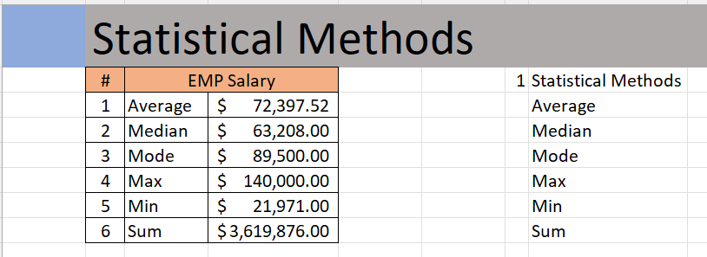
 | Statistical Methods
 | Column1 | Average | Salary
 | 1 | Average | $72,397.52
 | 2 | Median | $63,208.00
 | 3 | Mode | $89,500.00
 | 4 | Max | $140,000.00
 | 5 | Min | $21,971.00
 | 6 | Sum | $3,619,876.00

Outcome should be as below

5
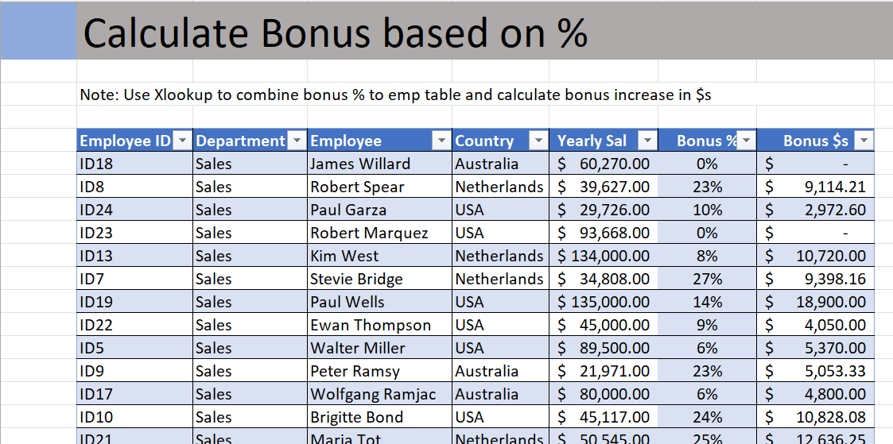
 | Calculate Bonus based on %

 |  | See Master 2

Output should look like below

6
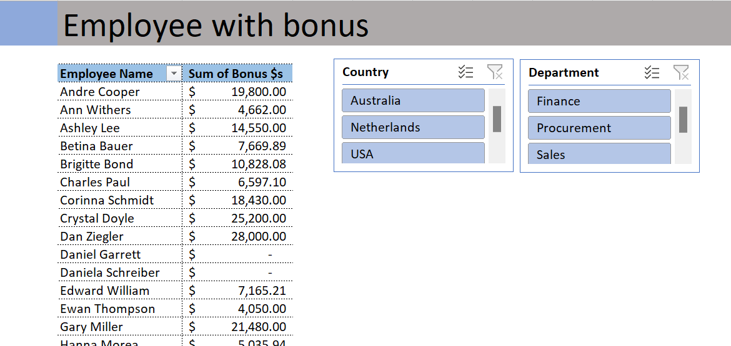
 | Employee with bonus
 | Employee Name | Sum of Bonus $s
 | Daniela Schreiber | $-
 | Mercy Mayo | $9,842.00
 | Robert Blume | $-
 | Roger Mun | $20,000.00
 | Grand Total | 29842

Output should look like below.

